PERUFLORA, FLASKS 2016
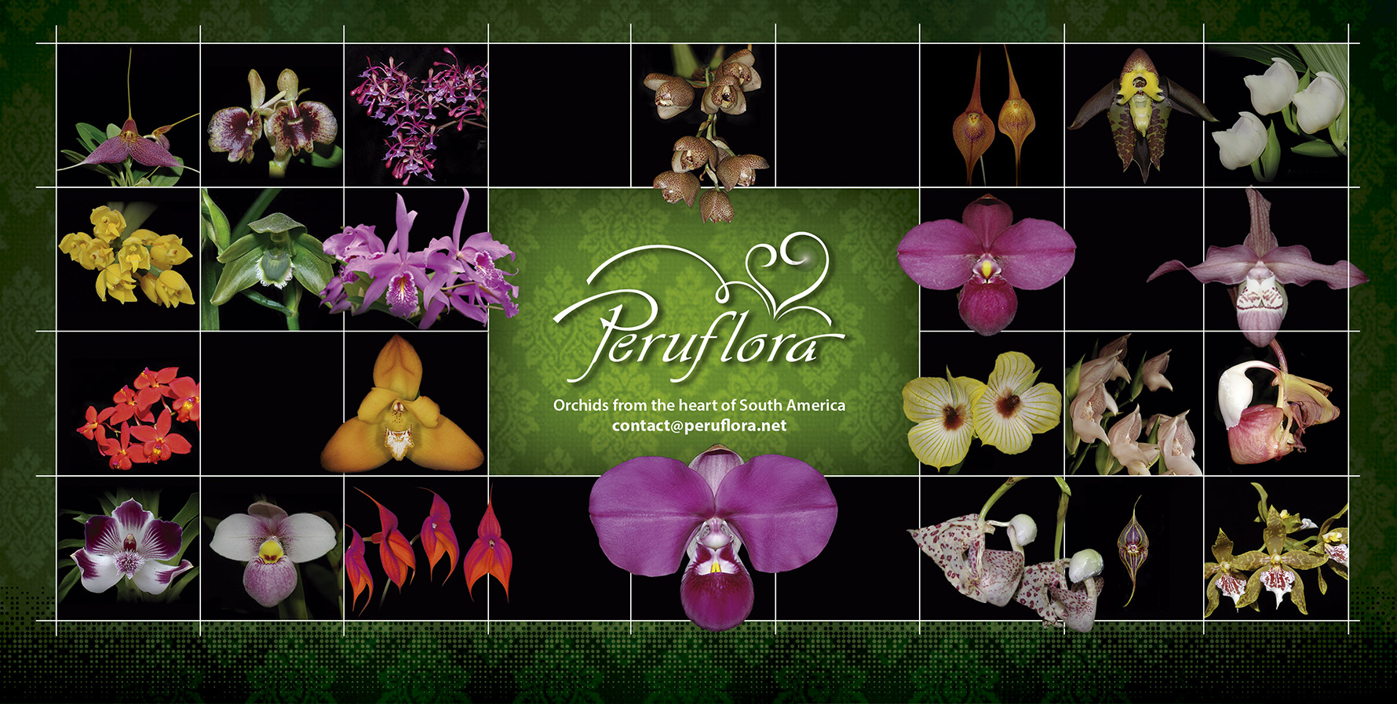
List of Flasks for Sale 2016
 | INSTRUCTIONS:

1. Enter the desired Quantity of Plants in the Column "Q". The "Total" column will update automatically.
2. Type your personal information in the cases below this list. Fill in the green cases only.
3. Send your order to: contact@peruflora.net

1. SECTION: ORCHID FLASKS, SPECIES & HYBRIDS
Available Number
of Flasks | Name | Q | US$ | Total
5 | FLASK, Acineta beyrodtiana (Seedlings) | 0 | 20 | 0
1 | FLASK, Anguloa clowesii (Seedlings) | 0 | 16 | 0
1 | FLASK, BLC. Love Sound 'Lemon Star' (Seedlings) | 0 | 16 | 0
5 | FLASK, BLC. Ronald's Canyon 'Coco Head' x Cattleya maxima var. coerulea 'Hector' (Seedlings) | 0 | 16 | 0
4 | FLASK, BLC. Waianae Leopard x Cattleya guttata (Seedlings) | 0 | 20 | 0
1 | FLASK, Catasetum gnomus (Seedlings) | 0 | 32 | 0
3 | FLASK, Catasetum gnomus 'Anaranjado' (Seedlings) | 0 | 36 | 0
5 | FLASK, Catasetum incurvum (Seedlings) | 0 | 20 | 0
1 | FLASK, Catasetum pileatum (Seedlings) | 0 | 30 | 0
5 | FLASK, Cattleya intermedia var. Alba (Seedlings) | 0 | 24 | 0
1 | FLASK, Cattleya intermedia var. Coerulea Aquinii (Seedlings) | 0 | 20 | 0
5 | FLASK, Cattleya leopoldi (Seedlings) | 0 | 24 | 0
1 | FLASK, Cattleya luteola (Seedlings) | 0 | 20 | 0
5 | FLASK, Cattleya maxima '427' x Cattleya maxima '115' (Seedlings) | 0 | 20 | 0
6 | FLASK, Cattleya maxima semi alba ('Striata' x 'Becki') x Cattleya maxima coerulea 'Hector' (Seedlings) | 0 | 30 | 0
6 | FLASK, Cattleya maxima var Semialba ('Striata' x 'Becky') (Seedlings) | 0 | 26 | 0
6 | FLASK, Cattleya mooreana (Seedlings) | 0 | 25 | 0
1 | FLASK, Cattleya rex ('Tupac Amaru' x var. Splash) (Seedlings) | 0 | 30 | 0
2 | FLASK, Cattleya rex (var. Splash x 'Buena Forma') (Seedlings) | 0 | 30 | 0
1 | FLASK, Cattleya rex var. Semialba '247' (Seedlings) | 0 | 40 | 0
2 | FLASK, Cattleya rex var. Splash (Seedlings) | 0 | 30 | 0
6 | FLASK, Cattleya violacea var. Semialba (Seedlings) | 0 | 30 | 0
1 | FLASK, Cochlioda densiflora x Odontioda Petit Port 'Woolsey' HCC/AOS (Seedlings) | 0 | 16 | 0
6 | FLASK, Cochlioda densiflora x Oncidium Espiritu Santo (Seedlings) | 0 | 16 | 0
6 | FLASK, Comparettia falcata (Seedlings, almost blooming size) | 0 | 25 | 0
6 | FLASK, Comparettia speciosa (Seedlings, almost blooming size) | 0 | 25 | 0
2 | FLASK, Cycnoches christensonii (Seedlings) | 0 | 30 | 0
4 | FLASK, Cyrtochilum gargantua (Seedlings) | 0 | 20 | 0
6 | FLASK, Cyrtochilum gracile (Seedlings) | 0 | 20 | 0
1 | FLASK, Cyrtochilum leopoldianum (villenaorum) (Seedlings) | 0 | 25 | 0
4 | FLASK, Cyrtochilum villenaorum x Odontoglossum alboroseum (Seedlings) | 0 | 20 | 0
6 | FLASK, Encyclia cordigera var. Semialba (Seedlings) | 0 | 20 | 0
3 | FLASK, Encyclia vespa (Seedlings) | 0 | 16 | 0
1 | FLASK, Epidendrum (melanopophyreum x kockii) (Seedlings) | 0 | 20 | 0
6 | FLASK, Epidendrum melannoporphyreum (Seedlings) | 0 | 20 | 0
6 | FLASK, Epidendrum melannoporphyreum (Selected very large flower) (Seedlings) | 0 | 28 | 0
3 | FLASK, Epidendrum melanopophyreum 'Flor Grande' (Seedlings) | 0 | 28 | 0
5 | FLASK, Epidendrum sp 1 (Limonpata, Santa Teresa, Cusco, Green flower) (Seedlings) | 0 | 16 | 0
2 | FLASK, Epidendrum sp 1530 (Seedlings) | 0 | 16 | 0
4 | FLASK, Galeandra juncea (Seedlings) | 0 | 20 | 0
1 | FLASK, Ida dyeriana (Seedlings) | 0 | 20 | 0
6 | FLASK, Laeliopsis domingensis x Schomburgkia thompsoniana (Seedlings) | 0 | 20 | 0
6 | FLASK, LC Tanya Duncan 'Seattle Blues' x Schomburgkia lyonsii (Seedlings) | 0 | 20 | 0
6 | FLASK, BLC Waikiki Gold x LC Tainan City 'General' (Seedlings) | 0 | 20 | 0
7 | FLASK, Macroclinium chasei (Seedlings, almost blooming size) | 0 | 24 | 0
6 | FLASK, Masdevallia antonii (Seedlings) | 0 | 30 | 0
6 | FLASK, Masdevallia datura (Seedlings) | 0 | 30 | 0
6 | FLASK, Masdevallia don-quijote (Seedlings) | 0 | 20 | 0
6 | FLASK, Masdevallia pyknosepala (Seedlings) | 0 | 20 | 0
4 | FLASK, Masdevallia rodolfoi (Seedlings) | 0 | 20 | 0
5 | FLASK, Maxillaria platypetala (Seedlings) | 0 | 20 | 0
4 | FLASK, Maxillaria sanderiana (Seedlings) | 0 | 20 | 0
20 | FLASK, Mormodes buccinator (Seedlings) | 0 | 24 | 0
6 | FLASK, Mormodes warszewiczii (revoluta) (Large purple flower) (Seedlings) | 0 | 20 | 0
2 | FLASK, Odontoglossum (Ardentissimum x nobile) (Seedlings) | 0 | 16 | 0
6 | FLASK, Odontoglossum blandum (Seedlings) | 0 | 20 | 0
5 | FLASK, Odontoglossum cirrhosum (Seedlings) | 0 | 20 | 0
5 | FLASK, Odontoglossum crispum var. Velez (Seedlings) | 0 | 16 | 0
5 | FLASK, Odontoglossum tenuifolium (Seedlings) | 0 | 20 | 0
2 | FLASK, Odontoglossum (wyattianum '366' x wyattianum '325') (Seedlings) | 0 | 24 | 0
3 | FLASK, Oncidium gardneri var. Jaguar x Oncidium tigrinum (Seedlings) | 0 | 16 | 0
7 | FLASK, Oncidium stacyi (Seedlings) | 0 | 25 | 0
3 | FLASK, Peristeria sp 2515 (yellow & white flowers) (Seedlings) | 0 | 30 | 0
2 | FLASK, Pescatoria lehmanii (Seedlings) | 0 | 18 | 0
7 | FLASK, Phaius Tankervilleae (Seedlings) | 0 | 20 | 0
7 | FLASK, Phragmipedium ((kovachii x besseae) x kovachii) (Seedlings) | 0 | 50 | 0
3 | FLASK, Phragmipedium ((kovachii x dalessandroi) x (kovachii x besseae var. flavum) (Seedlings) | 0 | 35 | 0
11 | FLASK, Phragmipedium ((kovachii x dalessandroi) x kovachii) (Seedlings) | 0 | 50 | 0
1 | FLASK, Phragmipedium ((kovachii x Eric Young) x kovachii) (Seedlings) | 0 | 50 | 0
7 | FLASK, Phragmipedium ((kovachii x schlimii 'Blanqueado') x kovachii) (Seedlings) | 0 | 50 | 0
7 | FLASK, Phragmipedium (besseae x Scarlet O'hara 4N) (Seedlings) | 0 | 24 | 0
1 | FLASK, Phragmipedium (Cardinale x kovachii) (Seedlings) | 0 | 24 | 0
6 | FLASK, Phragmipedium (kovachii x (kovachii x besseae var. Flavum) (Seedlings) | 0 | 50 | 0
4 | FLASK, Phragmipedium (kovachii x (kovachii x dalessandroi)) (Seedlings) | 0 | 50 | 0
1 | FLASK, Phragmipedium (kovachii x (kovachii x schlimii 'Hercules')) (Seedlings) | 0 | 50 | 0
3 | FLASK, Phragmipedium (kovachii x (kovachii x schlimii)) (Seedlings) | 0 | 36 | 0
6 | FLASK, Phragmipedium (kovachii x (kovachii x schlimii) 'Flor Grande') (Seedlings) | 0 | 50 | 0
5 | FLASK, Phragmipedium (kovachii x besseae (From Perú)) (Seedlings) | 0 | 36 | 0
9 | FLASK, Phragmipedium (kovachii x besseae var. flavum) (Seedlings) | 0 | 35 | 0
7 | FLASK, Phragmipedium (kovachii x besseae) (Seedlings) | 0 | 35 | 0
5 | FLASK, Phragmipedium (kovachii x besseae) x kovachii) (Seedlings) | 0 | 50 | 0
5 | FLASK, Phragmipedium ((kovachii x schlimii) 'Sanson' x (kovachii x schlimii) 'Hercules') (Seedlings) | 0 | 36 | 0
1 | FLASK, Phragmipedium (Les Dirouilles x kovachii) (Seedlings) | 0 | 32 | 0
6 | FLASK, Phragmipedium (Les Platons x kovachii) (Seedlings) | 0 | 50 | 0
6 | FLASK, Phragmipedium (Memoria Dick Clements x kovachii) (Seedlings) | 0 | 36 | 0
6 | FLASK, Phragmipedium (Silver Eagle x kovachii) (Seedlings) | 0 | 32 | 0
5 | FLASK, Phragmipedium (Sorcerer's Apprentice x kovachii) (Seedlings) | 0 | 28 | 0
6 | FLASK, Phragmipedium andreettae (Seedlings) | 0 | 30 | 0
1 | FLASK, Phragmipedium besseae (Form from Ecuador) (Seedlings) | 0 | 30 | 0
4 | FLASK, Phragmipedium besseae (Form From Perú) (Seedlings) | 0 | 50 | 0
4 | FLASK, Phragmipedium (Elizabeth Castle x Memoria Dick Clements) (Seedlings) | 0 | 24 | 0
12 | FLASK, Phragmipedium kovachii (Seedlings) | 0 | 50 | 0
7 | FLASK, Phragmipedium Les Dirouilles (Seedlings) | 0 | 20 | 0
9 | FLASK, Phragmipedium schlimii (Seedlings) | 0 | 30 | 0
6 | FLASK, Phragmipedium schlimii '0055' (Seedlings) | 0 | 35 | 0
1 | FLASK, Phragmipedium schlimii '7011' (Seedlings) | 0 | 35 | 0
10 | FLASK, Phragmipedium wallisii (Seedlings) | 0 | 24 | 0
1 | FLASK, Psygmorches pusilla (Seedlings, almost blooming size) | 0 | 16 | 0
2 | FLASK, Rhyncattleanthe Petit Petit 'Lucky' (Seedlings) | 0 | 16 | 0
1 | FLASK, RLC Love Call 'Grace' x Cattleya Lilac Dream 'Gloria' (Seedlings) | 0 | 16 | 0
5 | FLASK, SLC Hsin Buu Lady (Seedlings) | 0 | 20 | 0
1 | FLASK, Sobralia setigera (Seedlings) | 0 | 25 | 0
8 | FLASK, Sobralia sp 959913 (Seedlings) | 0 | 30 | 0
4 | FLASK, Sobralia yauaperiensis (Seedlings) | 0 | 30 | 0
4 | FLASK, Sophronitis coccinea (Seedlings) | 0 | 24 | 0
4 | FLASK, Stanhopea embreei (Seedlings) | 0 | 20 | 0
4 | FLASK, Stanhopea gibbosa (Seedlings) | 0 | 20 | 0
7 | FLASK, Stanhopea martiana (very fragant) (Seedlings) | 0 | 24 | 0
7 | FLASK, Stanhopea nigroviolacea (Seedlings) | 0 | 24 | 0
7 | FLASK, Stanhopea platyceras (Seedlings) | 0 | 24 | 0
3 | FLASK, Trichocentrum lanceanum (Seedlings) | 0 | 20 | 0
7 | FLASK, Warczewiczella timbiensis (Seedlings) | 0 | 22 | 0
6 | FLASK, Zygopetalum (John Banks x Redvale 'Pretty Ann') (Seedlings) | 0 | 20 | 0

Name | Type your name and surname here
Email | Type your email address here
Address | Type your postal address
Special Instructions | Type another instructions here.
 |  |  | TOTAL
 |  |  | US$ | $0.00

 | COMMERCIAL TERMS
1. This list cancels all previous lists and is based on the actual existing plants in our laboratory.
2. Prices are in US Dollars.
3. For direct importation, cost of Phyto sanitary permit is 100 US$.
If you wish to place an order but costs of direct importation are too high, we can deliver your order
while attending an Orchid Show close to you. Please let us know in the Special Instructions box above.
4. Discounts policy:
 | 5% from US$ 500.00 to 999.00
 | 10% from US$ 1,000.00 to US$ 1,999.00
 | 15% from US$ 2,000.00 to US$ 3,999.00
 | 20% for orders over US$ 4,000.00
5. Prices are FOB Lima Airport. Transportation fee is collect. A deposit in advance of at least 50%
of the value of plants and flasks plus 100% of the total cost of paperwork is required.
6. For further requests please do not hesitate to contact us: contact@peruflora.net
7. If you have a "Wanted List" of Andean/South American Orchids, then please send it to us. We may have
some of those plants in our collection, not announced in the price list.
8. For PayPal payment, we will add 4% to cover the discounts made by the money transfer.

